Overview and Instructions
The data and dashboard tool within this excel is built off the work in [1]. Basic instructions about how to use the tool and what is contained within this file are listed below.

[ 1 ] Dimas, G. L., Konrad, R. A., Maass, K. L., & Trapp, A. C. (2022). A Survey of Operations Research and Analytics Literature Related to Anti-Human Trafficking.

Name of Tab | Function/Purpose
Dashboard | The filtration tool based on data within the 2022_Operations Research and.. Tab
Figure 4 | Figure 4 as seen in [ 1 ]. This is updated to reflect the current data in the 2022_Operations Research and.. tab.
2022_Operations Research and.. | This contains the data on each study included in our review and is what is used for Figure 4 and the Dashboard tool. To allow for the functionality under the Dashboard tool, we store this data in a data model and is "unpivoted" under all binary features.
Tool Updates | This tab lists the updated made to the tool and the date these updates took effect.
Tool Instructions / Helpful Tips

Limitation(s) of current tool: | At the current time if a feature value (ex. Male demographic) is not observed in our data, that value does not appear on the Dashboard as a feature to filter on.

Filter/Slicer Examples and Meaning

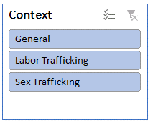 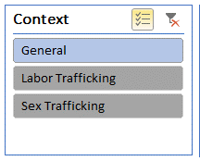 When a level value is blue under a feature, this means these level values are selected and all papers with that level value are listed. In the example on the left all papers are displayed that have the trafficking context of: General, Labor and or Sex. If a level value is gray this means that the level value is not selected and as seen in the example on the left only studies that are categorized as General trafficking contexts are displayed. |  |  | When the checklist type logo in the upper right corner of each filter is highlighted these means, multiple items can be selected/unselected. If this is not grayed out, then the filter only allows one value to be selected under the category. To enable or disable click on the icon and if yellow, the multi-selection function is enables and if gray, single selection is enabled.

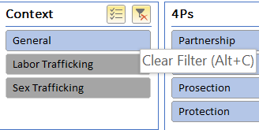 If a filter is applied, the funnel icon will be illuminated (else it is gray). To clear a particular filter, click the filter icon. If you wish to clear all applied filters and reset to the default settings click the "Clear All Selected Filters" button.

Meaning of colors and formatting

 |  | Unslected Item | Selected Item
 | Data | Unselected Item with data available | Selected Item with data available
 | No Data | Unselected Item with no data available | Selected Item with no data available
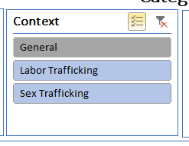 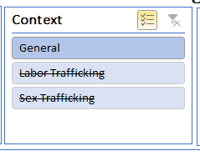 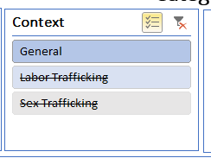 The example on the left shows the feature Context and it's three feature level values (General Trafficking and Labor Trafficking) are all selected. However, we see that while Labor trafficking is blue, it has a strikethrough indicating that although this level value is enabled, there exists no data given the current filters that has this level value. In addition, we see that the Sex trafficking context is both gray and has a strikethrough. The gray indicates this filter is not selected, and the strikethrough indicates that even if it was to be selected (turned blue) no data exists for it. As we see in the middle figure, General context is gray and does not have a strikethrough which indicates that although it is not currently selected there exists data that relates to this level value under the current combination of filters. The figure on the left shows that all the level values are selected (in blue), however, given the current combinations of filters only papers related to the General trafficking context are available.

Dashboard
Total Number of Studies Across Years
 | Total
2010 | 1
2011 | 2
2012 | 4
2013 | 1
2014 | 6
2015 | 5
2016 | 7
2017 | 15
2018 | 21
2019 | 22
2020 | 22
2021 | 36
Studies by Context and Data Type
 | Mixed | N/A | Primary | Secondary (Publicly Available)
General |  | 14 | 2 | 41
Labor Trafficking | 3 | 3 | 1 | 10
Sex Trafficking | 5 | 1 | 2 | 60

4Ps Classifications
 | Partnership | Prevention | Prosection | Protection
Total | 61 | 47 | 89 | 64
 | Category | % studies | Context | % studies
 | Analytics | 73.94% | General | 31.49%
 | Operations Research | 15.49% | Labor Trafficking | 8.32%
 | Position / Thought | 10.56% | Sex Trafficking | 60.19%
 |  |  |  |  | \

 | Data Type | % studies | 4Ps | % studies
 | Mixed | 5.63% | Partnership | 42.96%
 | N/A | 12.68% | Prevention | 33.10%
 | Primary | 3.52% | Prosection | 62.68%
 | Secondary (Publicly Available) | 78.17% | Protection | 45.07%

Categorical Features *

* Category values without any studies and not represented in the tool above.
Methods: Queueing Theory
Demographics: Male, LGBTQ+

